PopulationReport
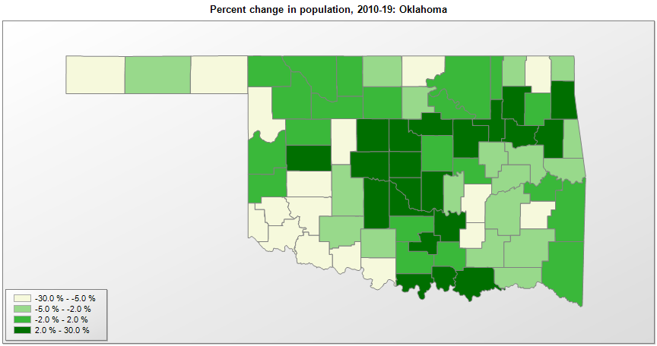

FIPS* | County name | RUC code | Pop. 1990 | Pop. 2000 | Pop. 2010 | Pop. 2019 | Change 2010-19
40000 | Oklahoma |  | 3,145,576 | 3,450,451 | 3,751,582 | 3,956,971 | 5.5%
40001 | Adair County | 6 | 18,421 | 21,009 | 22,668 | 22,194 | -2.1%
40003 | Alfalfa County | 9 | 6,416 | 6,092 | 5,639 | 5,702 | 1.1%
40005 | Atoka County | 9 | 12,778 | 13,876 | 14,165 | 13,758 | -2.9%
40007 | Beaver County | 9 | 6,023 | 5,832 | 5,636 | 5,311 | -5.8%
40009 | Beckham County | 7 | 18,812 | 19,807 | 22,119 | 21,859 | -1.2%
40011 | Blaine County | 6 | 11,470 | 11,965 | 11,943 | 9,429 | -21.0%
40013 | Bryan County | 6 | 32,089 | 36,524 | 42,416 | 47,995 | 13.2%
40015 | Caddo County | 6 | 29,550 | 30,146 | 29,598 | 28,762 | -2.8%
40017 | Canadian County | 1 | 74,409 | 87,729 | 115,566 | 148,306 | 28.3%
40019 | Carter County | 5 | 42,919 | 45,614 | 47,729 | 48,111 | 0.8%
40021 | Cherokee County | 6 | 34,049 | 42,475 | 46,992 | 48,657 | 3.5%
40023 | Choctaw County | 7 | 15,302 | 15,334 | 15,199 | 14,672 | -3.5%
40025 | Cimarron County | 9 | 3,301 | 3,139 | 2,475 | 2,137 | -13.7%
40027 | Cleveland County | 1 | 174,253 | 208,036 | 255,990 | 284,014 | 10.9%
40029 | Coal County | 9 | 5,780 | 6,035 | 5,927 | 5,495 | -7.3%
40031 | Comanche County | 3 | 111,486 | 114,996 | 124,098 | 120,749 | -2.7%
40033 | Cotton County | 3 | 6,651 | 6,603 | 6,190 | 5,666 | -8.5%
40035 | Craig County | 6 | 14,104 | 14,951 | 15,027 | 14,142 | -5.9%
40037 | Creek County | 2 | 60,915 | 67,340 | 69,992 | 71,522 | 2.2%
40039 | Custer County | 7 | 26,897 | 26,147 | 27,540 | 29,003 | 5.3%
40041 | Delaware County | 6 | 28,070 | 36,949 | 41,498 | 43,009 | 3.6%
40043 | Dewey County | 9 | 5,551 | 4,740 | 4,810 | 4,891 | 1.7%
40045 | Ellis County | 9 | 4,497 | 4,063 | 4,151 | 3,859 | -7.0%
40047 | Garfield County | 5 | 56,735 | 57,811 | 60,580 | 61,056 | 0.8%
40049 | Garvin County | 6 | 26,605 | 27,216 | 27,571 | 27,711 | 0.5%
40051 | Grady County | 1 | 41,747 | 45,476 | 52,430 | 55,834 | 6.5%
40053 | Grant County | 9 | 5,689 | 5,144 | 4,532 | 4,333 | -4.4%
40055 | Greer County | 7 | 6,559 | 6,061 | 6,239 | 5,712 | -8.4%
40057 | Harmon County | 9 | 3,793 | 3,285 | 2,922 | 2,653 | -9.2%
40059 | Harper County | 9 | 4,063 | 3,558 | 3,682 | 3,688 | 0.2%
40061 | Haskell County | 6 | 10,940 | 11,778 | 12,775 | 12,627 | -1.2%
40063 | Hughes County | 7 | 13,014 | 14,150 | 14,000 | 13,279 | -5.2%
40065 | Jackson County | 7 | 28,764 | 28,439 | 26,446 | 24,530 | -7.2%
40067 | Jefferson County | 8 | 7,010 | 6,820 | 6,472 | 6,002 | -7.3%
40069 | Johnston County | 9 | 10,032 | 10,512 | 10,957 | 11,085 | 1.2%
40071 | Kay County | 5 | 48,056 | 48,086 | 46,562 | 43,538 | -6.5%
40073 | Kingfisher County | 6 | 13,212 | 13,932 | 15,025 | 15,765 | 4.9%
40075 | Kiowa County | 6 | 11,347 | 10,225 | 9,446 | 8,708 | -7.8%
40077 | Latimer County | 7 | 10,333 | 10,689 | 11,156 | 10,073 | -9.7%
40079 | Le Flore County | 2 | 43,270 | 48,099 | 50,382 | 49,853 | -1.0%
40081 | Lincoln County | 1 | 29,216 | 32,070 | 34,274 | 34,877 | 1.8%
40083 | Logan County | 1 | 29,011 | 33,911 | 41,854 | 48,011 | 14.7%
40085 | Love County | 9 | 7,788 | 8,826 | 9,416 | 10,253 | 8.9%
40087 | McClain County | 1 | 22,795 | 27,750 | 34,503 | 40,474 | 17.3%
40089 | McCurtain County | 7 | 33,433 | 34,384 | 33,154 | 32,832 | -1.0%
40091 | McIntosh County | 6 | 16,779 | 19,405 | 20,247 | 19,596 | -3.2%
40093 | Major County | 9 | 8,055 | 7,545 | 7,526 | 7,629 | 1.4%
40095 | Marshall County | 6 | 10,829 | 13,131 | 15,838 | 16,931 | 6.9%
40097 | Mayes County | 6 | 33,366 | 38,339 | 41,266 | 41,100 | -0.4%
40099 | Murray County | 7 | 12,042 | 12,617 | 13,488 | 14,073 | 4.3%
40101 | Muskogee County | 4 | 68,078 | 69,471 | 70,997 | 67,997 | -4.2%
40103 | Noble County | 6 | 11,045 | 11,406 | 11,566 | 11,131 | -3.8%
40105 | Nowata County | 6 | 9,992 | 10,564 | 10,536 | 10,076 | -4.4%
40107 | Okfuskee County | 6 | 11,551 | 11,808 | 12,191 | 11,993 | -1.6%
40109 | Oklahoma County | 1 | 599,611 | 660,581 | 718,385 | 797,434 | 11.0%
40111 | Okmulgee County | 2 | 36,490 | 39,672 | 40,062 | 38,465 | -4.0%
40113 | Osage County | 2 | 41,645 | 44,413 | 47,473 | 46,963 | -1.1%
40115 | Ottawa County | 6 | 30,561 | 33,164 | 31,848 | 31,127 | -2.3%
40117 | Pawnee County | 2 | 15,575 | 16,610 | 16,570 | 16,376 | -1.2%
40119 | Payne County | 4 | 61,507 | 68,201 | 77,347 | 81,784 | 5.7%
40121 | Pittsburg County | 5 | 40,950 | 43,944 | 45,827 | 43,654 | -4.7%
40123 | Pontotoc County | 7 | 34,119 | 35,146 | 37,488 | 38,284 | 2.1%
40125 | Pottawatomie County | 4 | 58,760 | 65,505 | 69,443 | 72,592 | 4.5%
40127 | Pushmataha County | 9 | 10,997 | 11,660 | 11,578 | 11,096 | -4.2%
40129 | Roger Mills County | 9 | 4,147 | 3,432 | 3,647 | 3,583 | -1.8%
40131 | Rogers County | 2 | 55,170 | 70,649 | 86,914 | 92,459 | 6.4%
40133 | Seminole County | 7 | 25,412 | 24,966 | 25,482 | 24,258 | -4.8%
40135 | Sequoyah County | 2 | 33,828 | 38,952 | 42,428 | 41,569 | -2.0%
40137 | Stephens County | 4 | 42,299 | 43,204 | 45,047 | 43,143 | -4.2%
40139 | Texas County | 7 | 16,419 | 20,098 | 20,640 | 19,983 | -3.2%
40141 | Tillman County | 6 | 10,384 | 9,285 | 7,991 | 7,250 | -9.3%
40143 | Tulsa County | 2 | 503,341 | 563,475 | 603,430 | 651,552 | 8.0%
40145 | Wagoner County | 2 | 47,883 | 57,476 | 73,082 | 81,289 | 11.2%
40147 | Washington County | 4 | 48,066 | 49,015 | 50,979 | 51,527 | 1.1%
40149 | Washita County | 7 | 11,441 | 11,510 | 11,558 | 10,916 | -5.6%
40151 | Woods County | 7 | 9,103 | 9,094 | 8,878 | 8,793 | -1.0%
40153 | Woodward County | 7 | 18,976 | 18,489 | 20,084 | 20,211 | 0.6%

Source: U.S. Census Bureau, 1990, 2000, and 2010 Censuses of Population (corrected), and 2019 County Total Population Estimates. 1) The FIPS codes uniquely identify each county and are part of the Federal Information Processing Standards (FIPS) developed by the National Institute of Standards and Technology (NIST), U.S. Department of Commerce. For more information, see the NIST FIPS publication page. 2) The 2013 rural-urban continuum codes classify metropolitan counties (codes 1 through 3) by size of the Metropolitan Statistical Area (MSA), and nonmetropolitan counties (codes 4 through 9) by degree of urbanization and proximity to metro areas. See rural-urban continuum codes for precise definitions of each code.

